COVER
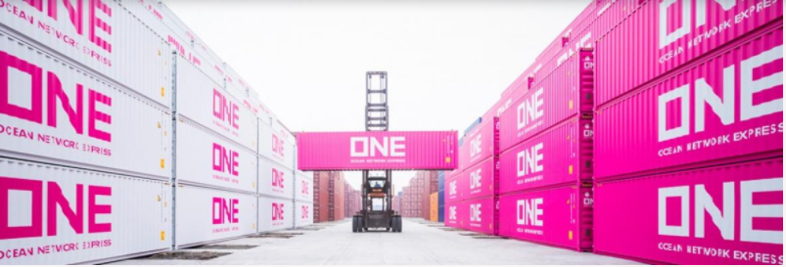


 | Asia (incl. West Asia) - Europe (incl. Mediterranean)
 | Westbound

 | FAK RATES
 | CONTRACT No. HAMN03640A
 | validities as per column A+B in each sheet

ONE Trade Definitions AET WB
 |  | AEW |  | Asia - Europe WB incl Japan
 |  | WEW |  | West Asia - Europe WB
 |  | AMW |  | Asia - Mediterranean WB incl Japan
 |  | WMW |  | West Asia - Mediterranean WB

 | Import Customer Service

 | Name |  | e-Mail | Function
 | Import Customer Service (Live Chat) |  | ONE LiveChat | You can use the ONE Live Chat function on our website to receive real-time information on import bookings / documentation.

 | Import Customer Service |  | de.service.imp@one-line.com | Service

 | General Information

 | Shipments are routed in carrier's choice.
 | Please find ONE schedule including information to direct / non-direct services under following link:
 | ONE Point to Point Schedule

 | Please find ONE service maps under following link:
 | ONE Service Maps

 | Please find inland haulage service information under following link:
 | EUA Inland Services

 | Please find inland haulage prices under following link:
 | ONE Inland Haulage Rates Europe

 | Business Terms and Conditions printed on our ONE Bill of Lading which you may find at:
 | ONE B/L Terms

 | All quotations are given without prejudice nor any obligation and are subject to equipment, space availability, IMO acceptance whenever applicable. While every care is taken to ensure the accuracy of information, ONE cannot accept responsibility for errors or omissions. Quotations are subject to local and applicable tariff surcharges unless otherwise specifically agreed in written. Surcharges mentioned are rated at the time of shipment and therefore are variable. Any shipment will take place under ONE’s Bill of Lading terms and conditions and can be supplied upon request.

